Spring Boot POC
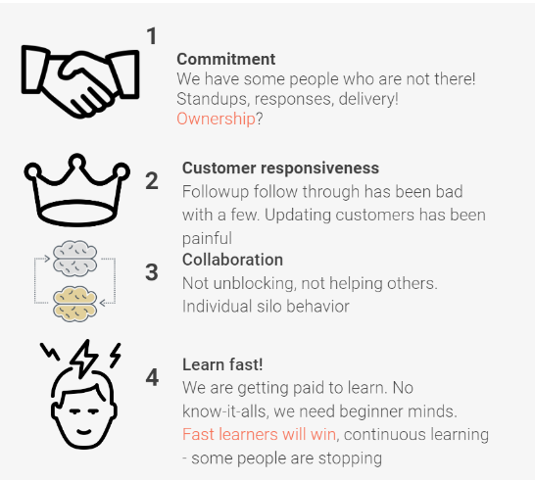
S.No. | Tasks | No. of Days | Start Date | End Date | Status | Doc link
1 | Design | 1.5 Days | 2023-05-03 |  |  |  | Culture of Zemoso | 3CL
1.1 | Design - Best Practices |  | 2023-05-03 | 2023-05-03 | In Progress | DB&API Design - Notes
 |  |  |  |  |  | Web API design best practices - Azure Architecture Center | Microsoft Learn
1.2 | Micrservices vs Monolithic |  | 2023-05-03 | 2023-05-03 | In Progress | Microservices vs. monolithic architecture | Atlassian
1.3 | DB Design in SQL DBM |  | 2023-05-03 | 2023-05-03 | In Progress | https://miro.com/app/board/uXjVPS4qpqY=/
1.4 | Internal Review |  | 2023-05-03 | 2023-05-03 | Not Started
1.5 | API Design in Swagger Editor |  | 2023-05-03 | 2023-05-04 | In Progress | https://miro.com/app/board/uXjVPS4qpqY=/
1.6 | Internal Review |  | 2023-05-04 | 2023-05-04 | Not Started |  | Guidelines | https://docs.google.com/document/d/1xiMb-b1PIWkmvCuywR6fkkBJHXdgT7qEPof8_BYnDu4/edit
1.7 | Git Branching and Guidelines |  | 2023-05-04 | 2023-05-04 | Not Started | Git Branching Session
 |  |  |  |  |  | Git Guidelines | Softwares Needed | JDK, IntelliJ (Sonar lint plugin), MySQL Server, MySQL Workbench, Postman, Git
2 | Project Scaffolding | 0.5 Day | 2023-05-04 | 2023-05-04 | Not Started | Spring Initializr | Best Practices | DTOs, Lambok, Slf4j logger, Custom exceptions
2.1 | Sonar Cloud Integration |  | 2023-05-04 | 2023-05-04 | Not Started | Sonar Cloud Integration | Guidelines: | 1. Mentor connect on a daily basis in mandatory 2. All the code have to be reviewed only through PRs 3. Keep updating the details below 4. Sonar report has to be fixed after every commit if there are any code quality issues
 |  |  |  |  |  | Github-Actions_workflow_Documentation
2.2 | Internal Review |  | 2023-05-04 | 2023-05-04 | Not Started
2.3 | DB Setup |  | 2023-05-04 | 2023-05-04 | Not Started | Setup the DB as per the DB Design
3 | Implementation | 2 Days | 2023-05-05 | 2023-05-05 | Not Started |  | Mentor
3.1 | Entities & DTOs |  | 2023-05-05 | 2023-05-05 | Not Started | Entity To DTO Conversion for a Spring REST API | Baeldung | Jira | https://zemoso.atlassian.net/browse/LAT-247
3.2 | Hibernate Mappings |  | 2023-05-05 | 2023-05-05 | Not Started |  | Repo
3.3 | JPA Repository |  | 2023-05-05 | 2023-05-05 | Not Started |  | Figma | https://www.figma.com/file/YnrJYr7uKzClRLBgfEwTg5/Checkr-Golden-Path-(Bootcamp)?node-id=1302%3A19097&t=MdD4NKZkr4s2UpZK-0
3.4 | End points implementation |  | 2023-05-05 | 2023-05-08 | Not Started |  | Loom | https://www.loom.com/share/e04f3e66ac344dcd8666fe477857f4b2
3.5 | Global Excpetion Handler & Custom Exceptions |  | 2023-05-08 | 2023-05-08 | Not Started |  | DB Design
3.6 | Internal Review |  | 2023-05-08 | 2023-05-08 | Not Started |  | API Design
4 | Unit Testing | 1 Day | 2023-05-09 | 2023-05-09 | Not Started |  | Sonar Report
4.1 | Best Practices |  | 2023-05-09 | 2023-05-09 | Not Started | Unit Test Naming Conventions | Mentor Feedback after demo
4.2 | Junit & Mockito (Coverage = 100%) |  | 2023-05-09 | 2023-05-09 | Not Started
4.3 | Internal Review |  | 2023-05-09 | 2023-05-09 | Not Started
5 | Final Demo (In Postman) |  | 2023-05-09 | 2023-05-09 | Not Started

React
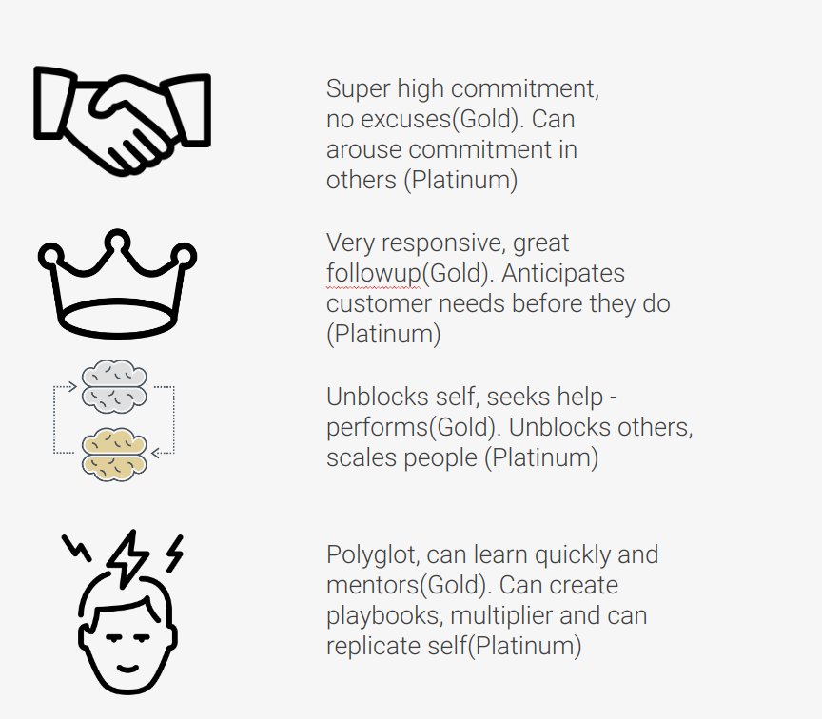
 |  |  |  |  |  |  | 3CL | Culture of Zemoso
 |  |  | Problem Statement | Checkr | Figma | https://www.figma.com/file/YnrJYr7uKzClRLBgfEwTg5/Checkr-Golden-Path-(Bootcamp)?node-id=1302%3A19097&t=MdD4NKZkr4s2UpZK-0
 |  |  |  |  | Loom | https://www.loom.com/share/e04f3e66ac344dcd8666fe477857f4b2
 |  |  |  |  | Scope | Pre Adverse Action

S.No. | Tasks | Days | Start Date | End Date | Status | Doc link
1 | Course - JavaScript | 2 Days | 2023-06-13
 | JavaScript - Basics | Day 1 | 2023-06-13 | 2023-06-13 | Completed | https://developer.mozilla.org/en-US/docs/Web/JavaScript/A_re-introduction_to_JavaScript https://github.com/airbnb/javascript
 | Callback functions and assignment | Day 1 | 2023-06-13 | 2023-06-13 | Completed | https://developer.mozilla.org/en-US/docs/Web/JavaScript/Reference/Functions https://docs.google.com/document/d/1APUyGY5XIod0GKFNE3pBXH0sex_K99Ovgod2AAEDw8w/edit
 | Custom Object and Closures | Day 1 | 2023-06-13 | 2023-06-13 | Completed | https://developer.mozilla.org/en-US/docs/Web/JavaScript/Guide/Working_with_Objects https://developer.mozilla.org/en-US/docs/Web/JavaScript/Closures
 | Manipulating DOM | Day 1 | 2023-06-13 | 2023-06-13 | Completed | https://developer.mozilla.org/en-US/docs/Learn/JavaScript/Client-side_web_APIs/Manipulating_documents
 | Using Chrome Dev Tools and Quiz | Day 1 | 2023-06-13 | 2023-06-13 | Completed | https://www.youtube.com/watch?v=x4q86IjJFag https://docs.google.com/forms/d/e/1FAIpQLSdU5SF0zUzwVJ8Rv8aIxdiLASisS1v0WPDLI9H0ee5vgftLfw/viewform
 | Promises, async-await and assignment | Day 2 | 2023-06-14 | 2023-06-14 | In Progress | https://javascript.info/async https://docs.google.com/document/d/1U7UE1LoLeAKmklTgiLPBfDN-W87v-59RPkPXlP7H6bg/edit | Guidelines | LDP Learning Guidelines and Check List
 | Debouncing & Throttling and assignment | Day 2 | 2023-06-14 | 2023-06-14 | Not Started | https://medium.com/nerd-for-tech/debouncing-throttling-in-javascript-d36ace200cea https://docs.google.com/document/d/1KAQyeFgieAyJXHpW7J9Yd55unkZto9RRH8hY2N9QeDo/edit | Why Storybook? | Why You Should Always Use Storybook
 | ES6 Syntax and Assignment | Day 2 | 2023-06-14 | 2023-06-14 | Not Started | https://codeburst.io/es6-tutorial-for-beginners-5f3c4e7960be https://docs.google.com/document/d/1F_8dnfkb73V159llkwJdjGPjrBvQTKQWOwD3L90zqTM/edit | How to setup theming? | https://www.loom.com/share/7ce20d240670487f8e110da75808d672
 | Storage and Assignment | Day 2 | 2023-06-14 | 2023-06-14 | Not Started | https://developer.mozilla.org/en-US/docs/Web/API/Storage https://developer.mozilla.org/en-US/docs/Web/API/Document/cookie https://docs.google.com/document/d/1olJgmw3WCzmjZagjDsTNnS1CfNdXWVJY6CXIKvNv5uE/edit | Sonar integration for FE in the same repo | https://www.loom.com/share/c6ecc090d1f7456a9563283c46765ef3
 | JS Refresher - Udemy Sec 2 | Day 2 | 2023-06-14 | 2023-06-14 | Not Started | The Complete Course (incl. React Router 4 & Redux) | Udemy
2 | Course React | 12 Days | 2023-06-15 |  |  |  | Mentor | Abhishek Bheemisetty
 | What and Why Typescript | Day 1 | 2023-06-15 | 2023-06-15 | Not Started | https://www.typescriptlang.org/docs/handbook/typescript-in-5-minutes.html | Jira | https://zemoso.atlassian.net/browse/LAT-296
 | Components & Props - Udemy Sec 3 | Day 1 | 2023-06-15 | 2023-06-15 | Not Started | https://reactjs.org/ https://reactjs.org/docs/static-type-checking.html#using-typescript-with-create-react-app https://reactjs.org/docs/components-and-props.html | Repo
 | Class vs Functional Components | Day 1 | 2023-06-15 | 2023-06-15 | Not Started | https://www.twilio.com/blog/react-choose-functional-components | Atomic Design
 | Child and Parent Components | Day 1 | 2023-06-15 | 2023-06-15 | Not Started | https://docs.google.com/document/d/1rXoS9r6SBHBhgKwXRUHWQtlWERFuI-6N5jmAzni55vk/edit | Sonar Report
 | State & Events - Udemy Sec 4 | Day 2 | 2023-06-16 | 2023-06-16 | Not Started |  | Mentor Feedback
 | React -Basic Inbuilt hooks (useEffect, useState, useContext) and Advanced - inbuilt hooks (useMemo, useCallback etc) and Custom Hooks | Day 2 | 2023-06-16 | 2023-06-16 | Not Started | https://reactjs.org/docs/hooks-intro.html https://www.youtube.com/watch?v=O6P86uwfdR0 https://www.youtube.com/watch?v=QFaFIcGhPoM https://docs.google.com/document/d/1d5qjQXwu1Hni6El2EV3DC4AAjkijm06upfuY-NB6zKw/edit
 | Conditional rendering - Udemy Sec 5 | Day 2 | 2023-06-16 | 2023-06-16 | Not Started
 | Event and Form Management | Day 3 | 2023-06-19 | 2023-06-19 | Not Started | Handling Events – React https://docs.google.com/document/d/1WONHnOwUUg-TcnkUDgERj8pjrcce2Adj69eTmybBYhU/edit
 | Typescript - Udemy Sec 27 | Day 3 | 2023-06-19 | 2023-06-19 | Not Started
 | Code Walk through - Sample React Application with Best Practices | Day 3 | 2023-06-19 | 2023-06-19 | Not Started | https://drive.google.com/file/d/1nuyAhJxxrfizS7cb6V5ASSrmWyojLbe_/view https://github.com/mohammed-atif/reminder-atomic-app-demo https://docs.google.com/document/d/1WAGndAtA7v080cdycACa0MhFNGFLrvrLFA0QUl1QGcc/edit?usp=drive_web&authuser=0
 | Atomic Design - Organising Components | Day 4 | 2023-06-20 | 2023-06-20 | Not Started | https://drive.google.com/file/d/14NmsDvBWys6sP7jtNDNyY7vWiLH1sw0F/view?usp=drive_web&authuser=0 https://docs.google.com/presentation/d/18df9XTg337NeepOXl79lVaafMl_8H0EV9PGKM4VRvV0/edit?usp=drive_web&authuser=0
 | Assignment - Do the Atomic Design for the given problem statement | Day 4 | 2023-06-20 | 2023-06-20 | Not Started | https://docs.google.com/spreadsheets/u/0/d/1W0rTGKdxAEX3AU1gANJS5BIDYSugrICzTe5-cWgcgrc/edit?usp=drive_web
 | Start with the development of the given Problem Statement in Typescript |  |  |  | Not Started
 | Project Scaffolding -Webpack Best Practices - Storybook, Material UI, Theming, Sonar report | Day 5 | 2023-06-21 | 2023-06-21 | Not Started | https://blog.bitsrc.io/why-learning-webpack-is-important-as-front-end-developer-247bc0ca40bd https://www.robinwieruch.de/javascript-project-setup-tutorial (Go through Part 1, 2 and 3 of Frontend Setup Series)
 | Add Linter and Formatter | Day 5 | 2023-06-21 | 2023-06-21 | Not Started | https://docs.google.com/document/d/1uCyXBkCFPrlHV6e-w8s2lqSvj6XLWkAnJf7iPdaFPo0/edit
 | Sonar Cloud Integration ( 0 code quality issues and 100% coverage) | Day 5 | 2023-06-21 | 2023-06-21 | Not Started | https://docs.google.com/document/d/1GqW29h9nkyp1w3f4T51OhDCtshkSGAqmA-_gXw-bUNk/edit
 | Storybook Setup | Day 5 | 2023-06-21 | 2023-06-21 | Not Started | https://storybook.js.org/docs/react/get-started/introduction https://levelup.gitconnected.com/why-you-should-always-use-storybook-when-developing-user-interfaces-4c69b93b2f65 https://sb-blinklist-clone-yaswanth.netlify.app/?path=/story/atoms-inputfield--default&args=placeholder
 | Material UI | Day 6 | 2023-06-22 | 2023-06-22 | Not Started | https://material-ui.com/components/buttons/ https://material-ui.com/components/links/
 | Theming Setup | Day 6 | 2023-06-22 | 2023-06-22 | Not Started | https://material-ui.com/customization/theming/ https://docs.google.com/document/d/10_q8_5FzyNU7dQOk6Plw81e4Tumz7fazJt0tpgpVv6A/edit?usp=drive_web&authuser=0 https://mui.com/customization/typography/ https://www.loom.com/share/7ce20d240670487f8e110da75808d672
 | Development of components with Atomic Design and Storybook | Day 6 - 8 | 2023-06-22 | 2023-06-26 | Not Started | https://storybook.js.org/docs/react/essentials/actions https://storybook.js.org/docs/react/essentials/controls
 | Mock Server Setup | Day 9 | 2023-06-27 | 2023-06-27 | Not Started | https://github.com/typicode/json-server/blob/master/README.md
 | Axios (API Handling) | Day 9 | 2023-06-27 | 2023-06-27 | Not Started | https://www.digitalocean.com/community/tutorials/react-axios-react https://reactjs.org/docs/faq-ajax.html https://developer.mozilla.org/en-US/docs/Web/JavaScript/Reference/Global_Objects/Promise
 | React Router - Udemy Sec 20 | Day 9 | 2023-06-27 | 2023-06-27 | Not Started | https://reactrouter.com/web/guides/quick-start
 | Pages development | Day 10 - 11 | 2023-06-28 | 2023-06-29 | Not Started | Fetch the data from mock server using API calls
 | State Management (in the application) | Day 11 | 2023-06-29 | 2023-06-29 | Not Started
 | Unit testing - Udemy Sec 26 (Coverage = 100%) | Day 12 | 2023-06-30 | 2023-06-30 | Not Started | https://testing-library.com/docs/react-testing-library/intro/ https://www.robinwieruch.de/react-testing-library/
 | Redux - Udemy Sec 25 | Day 12 | 2023-06-30 | 2023-06-30 | Not Started | https://redux.js.org/introduction/getting-started https://egghead.io/courses/fundamentals-of-redux-course-from-dan-abramov-bd5cc867

